Compare Annual Visitation
Compare Annual Visitation: 1980 to 2023

This report will not correctly export to CSV. Please export to Excel, Word, or PDF if you wish to save this report.

 | 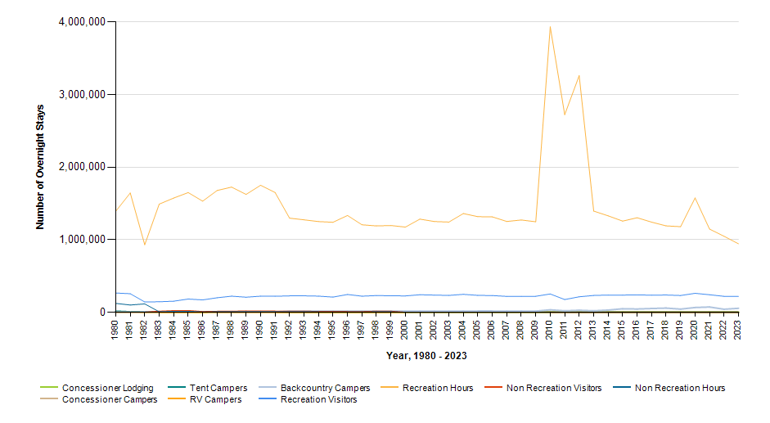

 |  | Year | Concessioner Lodging | Concessioner Campers | Tent Campers | RV Campers | Backcountry Campers | Recreation Visitors | Recreation Visitor Hours | Non Recreation Visitors | Non Recreation Visitor Hours
 |  | 2023 | 3,911 | 0 | 0 | 0 | 56,364 | 220,825 | 944,753 | 0 | 0
 |  | 2022 | 2,891 | 0 | 0 | 0 | 43,566 | 221,434 | 1,048,987 | 0 | 0
 |  | 2021 | 3,714 | 0 | 0 | 0 | 74,000 | 243,042 | 1,147,771 | 0 | 0
 |  | 2020 | 2,090 | 0 | 0 | 0 | 67,277 | 263,091 | 1,576,986 | 0 | 0
 |  | 2019 | 3,727 | 0 | 0 | 0 | 45,262 | 232,974 | 1,180,880 | 0 | 0
 |  | 2018 | 3,728 | 0 | 0 | 0 | 59,499 | 239,656 | 1,192,456 | 0 | 0
 |  | 2017 | 3,822 | 0 | 0 | 0 | 53,539 | 237,250 | 1,243,694 | 0 | 0
 |  | 2016 | 3,983 | 0 | 0 | 0 | 46,451 | 241,912 | 1,303,956 | 0 | 0
 |  | 2015 | 3,233 | 0 | 0 | 0 | 50,462 | 238,313 | 1,258,084 | 0 | 0
 |  | 2014 | 3,264 | 0 | 0 | 0 | 31,941 | 239,160 | 1,330,620 | 0 | 0
 |  | 2013 | 3,617 | 0 | 0 | 0 | 21,807 | 233,390 | 1,396,013 | 750 | 377
 |  | 2012 | 4,065 | 0 | 0 | 0 | 28,837 | 214,841 | 3,262,169 | 773 | 388
 |  | 2011 | 4,434 | 0 | 0 | 0 | 21,915 | 177,184 | 2,723,742 | 1,935 | 972
 |  | 2010 | 3,674 | 0 | 0 | 0 | 35,560 | 253,891 | 3,934,485 | 2,580 | 1,296
 |  | 2009 | 3,888 | 0 | 0 | 0 | 17,776 | 222,429 | 1,248,701 | 2,580 | 1,296
 |  | 2008 | 4,193 | 0 | 0 | 0 | 18,626 | 221,585 | 1,273,353 | 2,580 | 1,296
 |  | 2007 | 3,579 | 0 | 0 | 0 | 18,257 | 220,650 | 1,252,872 | 2,576 | 1,294
 |  | 2006 | 4,202 | 0 | 0 | 0 | 19,023 | 231,875 | 1,316,311 | 2,580 | 1,296
 |  | 2005 | 3,373 | 0 | 0 | 0 | 18,955 | 234,577 | 1,319,072 | 2,580 | 1,296
 |  | 2004 | 4,307 | 0 | 0 | 0 | 18,069 | 249,041 | 1,361,691 | 2,580 | 1,296
 |  | 2003 | 1,238 | 0 | 0 | 0 | 17,657 | 234,231 | 1,244,040 | 2,580 | 1,296
 |  | 2002 | 1,269 | 0 | 0 | 0 | 17,740 | 238,227 | 1,252,210 | 2,580 | 1,296
 |  | 2001 | 1,223 | 0 | 0 | 0 | 18,346 | 243,374 | 1,285,043 | 2,580 | 1,296
 |  | 2000 | 1,505 | 0 | 0 | 0 | 16,553 | 227,371 | 1,175,606 | 2,627 | 1,319
 |  | 1999 | 1,473 | 0 | 0 | 0 | 16,732 | 228,898 | 1,197,208 | 17,851 | 8,928
 |  | 1998 | 1,140 | 0 | 0 | 0 | 16,418 | 231,958 | 1,191,686 | 17,703 | 8,855
 |  | 1997 | 976 | 0 | 0 | 0 | 16,615 | 223,418 | 1,206,957 | 13,145 | 6,576
 |  | 1996 | 700 | 0 | 0 | 0 | 18,493 | 246,588 | 1,335,122 | 13,638 | 6,823
 |  | 1995 | 948 | 0 | 0 | 0 | 18,466 | 210,938 | 1,241,347 | 15,166 | 7,586
 |  | 1994 | 1,422 | 0 | 0 | 0 | 16,776 | 224,181 | 1,251,533 | 15,907 | 7,955
 |  | 1993 | 1,058 | 0 | 0 | 0 | 17,280 | 228,143 | 1,275,345 | 17,105 | 8,554
 |  | 1992 | 1,288 | 0 | 0 | 0 | 18,457 | 227,498 | 1,298,846 | 17,005 | 8,503
 |  | 1991 | 0 | 0 | 9,101 | 0 | 7,034 | 221,857 | 1,651,630 | 19,054 | 9,527
 |  | 1990 | 1,807 | 0 | 10,897 | 0 | 7,842 | 223,554 | 1,751,736 | 20,268 | 10,134
 |  | 1989 | 3,731 | 0 | 7,481 | 0 | 6,259 | 209,626 | 1,625,575 | 22,114 | 10,676
 |  | 1988 | 3,408 | 0 | 7,948 | 0 | 6,475 | 223,735 | 1,726,338 | 16,886 | 8,443
 |  | 1987 | 1,461 | 0 | 8,205 | 0 | 6,281 | 201,727 | 1,679,580 | 16,707 | 8,354
 |  | 1986 | 1,050 | 0 | 8,084 | 0 | 8,784 | 172,137 | 1,532,847 | 12,712 | 6,356
 |  | 1985 | 3,525 | 0 | 8,054 | 0 | 8,568 | 183,984 | 1,651,192 | 27,871 | 13,936
 |  | 1984 | 8,089 | 425 | 9,452 | 0 | 10,880 | 154,723 | 1,575,670 | 26,008 | 13,004
 |  | 1983 | 9,418 | 301 | 10,897 | 0 | 7,776 | 146,454 | 1,491,918 | 17,752 | 8,877
 |  | 1982 | 8,112 | 393 | 10,094 | 0 | 5,887 | 143,724 | 932,108 | 4,589 | 117,264
 |  | 1981 | 6,044 | 124 | 8,535 | 0 | 3,485 | 257,490 | 1,644,905 | 4,232 | 101,576
 |  | 1980 | 5,569 | 54 | 16,093 | 0 | 5,201 | 266,935 | 1,393,833 | 5,479 | 124,296

